Indices

 | Iraq Stock Exchange
 | Bulletin No (53)
 | ISX Trading Indices of Sunday 29/3/2026

 | Traded Volume and OTC |  | 820,169,631 |  | Traded Value and OTC |  | 680,368,803 |  | Traders | 1066

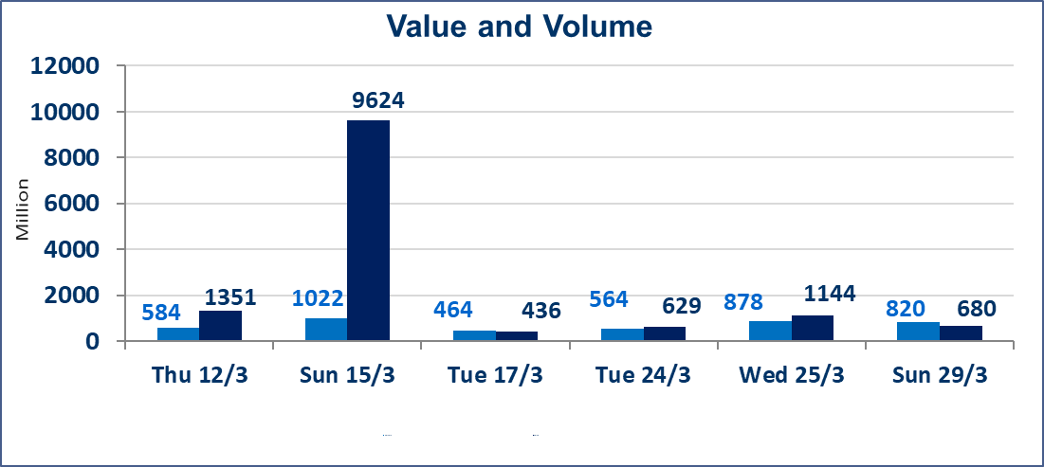
 | ISX Index 60 |  |  | 937.90 | ISX Index 15 |  |  | 1216.31
 | Previous ISX Index60 |  |  | 948.42 | Previous ISX Index15 |  |  | 1220.02
 | Change % |  |  | -1.11 | Change % |  |  | -0.30
 | Change |  |  | -10.52 | Change |  |  | -3.71

 | Listed Companies | 104 | OTC | 14 | Non Traded listed | 41 | OTC | 12
 | Traded Listed Companies | 49 | OTC | 2 | Higher Companies |  |  | 6
 | GAM Companies |  |  | 4 | Lower Companies |  |  | 21
 | Suspended Companies |  |  | 10
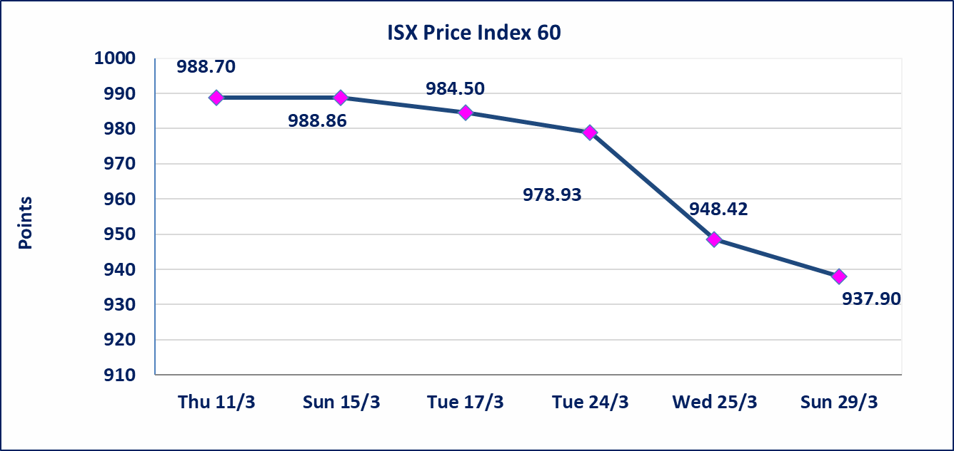
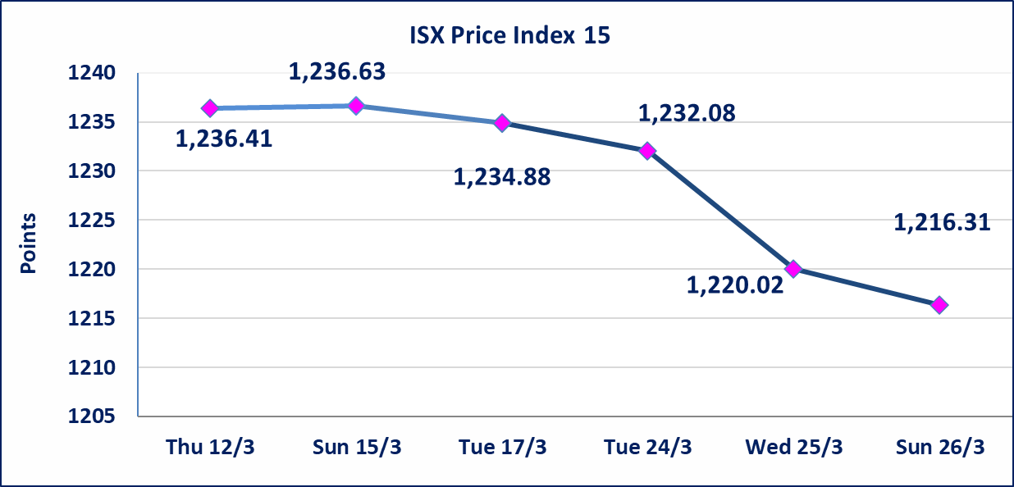

Al-Alwiya P.O . 3607 Mobile: 07711211522 - 07270094594 - 07834000034 E-mail: info-isx@isx-iq.net Web site:www.isx-iq.net

Top 5
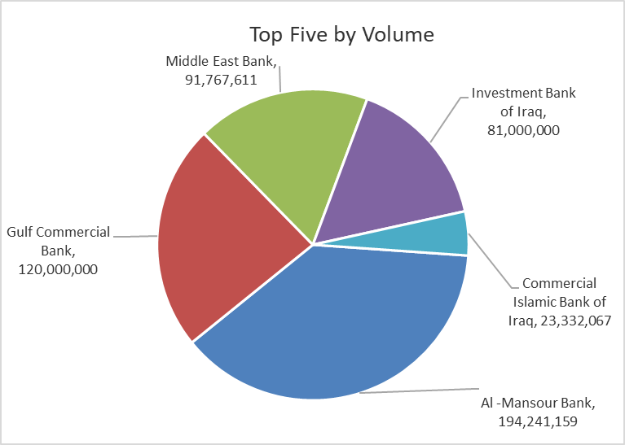
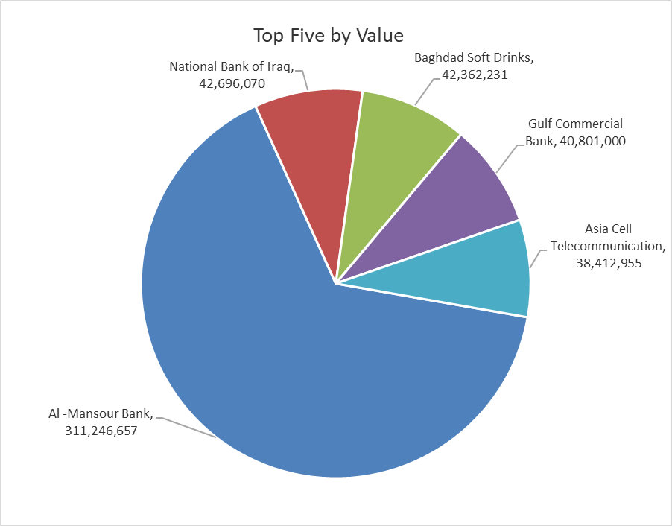

ISX top ganing and losing companies
Sunday 29/3/2026
 | Gainers |  |  |  | Losers
 | Company Name | Closing Price | Change (%) | Traded Volume | Company Name | Closing Price | Change (%) | Traded Volume
 | Al-Hamraa for Insurance | 5.600 | 4.87 | 7,000 | Mosul Bank For Investment | 0.140 | -6.67 | 17,006,626
 | Dar Al-Salam for Insurance | 0.810 | 3.85 | 3,897,000 | Ashour Hotel | 29.310 | -4.99 | 50,240
 | National Islamic Bank | 0.850 | 2.41 | 6,500,000 | Iraqi Carton Manufactories | 2.490 | -4.60 | 2,029,969
 | Al-Kindi of Veterinary Vaccines | 2.500 | 2.04 | 2,001,562 | Investment Bank of Iraq | 0.210 | -4.55 | 81,000,000
 | General Transportation | 1.880 | 1.62 | 957,951 | National Furniture Industries | 0.950 | -4.04 | 9,793
 | The most active companies in term of traded volume and value

 | Traded Volume |  |  |  | Traded Value
 | Company Name | Closing Price | Change (%) | Traded Volume | Company Name | Closing Price | Change (%) | Traded Value
 | Al -Mansour Bank | 1.570 | -2.48 | 194,241,159 | Al -Mansour Bank | 1.570 | -2.48 | 311,246,657
 | Gulf Commercial Bank | 0.340 | -2.86 | 120,000,000 | National Bank of Iraq | 4.830 | -0.21 | 42,696,070
 | Middle East Bank | 0.060 | 0.00 | 91,767,611 | Baghdad Soft Drinks | 5.800 | -0.85 | 42,362,231
 | Investment Bank of Iraq | 0.210 | -4.55 | 81,000,000 | Gulf Commercial Bank | 0.340 | -2.86 | 40,801,000
 | Commercial Islamic Bank of Iraq | 0.650 | -1.52 | 23,332,067 | Asia Cell Telecommunication | 14.920 | 0.27 | 38,412,955

Non Iraqi

Iraq Stock Exchange
Non Iraqis' Bulletin Sunday March 29 2026
Regular Market

Non Iraqi Trading of Regular Market (Buy)
Company Names | Code | No.of trades | Traded Shares | Trading Volume
Banks Sector
National Bank Of Iraq | BNOI | 1 | 1,270,000 | 6,134,100
Al-Mansour Bank | BMNS | 2 | 665,751 | 1,061,305
Total Bank sector |  | 3 | 1,935,751 | 7,195,405
Grand Total |  | 3 | 1,935,751 | 7,195,405

Not Trading Bonds

Iraq Stock Exchange
Sunday 29/3/2026
Not Trading Bonds Bulletin
Bond type | Publish type | Code | last trading price | immortilize date
Banaa Bonds /Million ID | Second | CB20 | 964,981 | 19/12/2025
Eamar Bonds /Million ID | First | CB30 | 1,001,095 | ــــــــــــــــ
Eamar Bonds /Million ID | Second | CB40 | ــــــــــــــــ | ــــــــــــــــ
Eamar Bonds /500 Thousand ID | Third | CB45 | ــــــــــــــــ | ــــــــــــــــ
Eamar Bonds /Million ID | Third | CB50 | ــــــــــــــــ | ــــــــــــــــ
Injaz Bonds /500 Thousand ID | First | CB55 | ــــــــــــــــ | ــــــــــــــــ
Injaz Bonds /Million ID | First | CB60 | ــــــــــــــــ | ــــــــــــــــ
Injaz Bonds /500 Thousand ID | Second | CB65 | 503,793 | ــــــــــــــــ
Injaz Bonds /500 Thousand ID | Third | CB75 | ــــــــــــــــ | ــــــــــــــــ
Injaz Bonds /Million ID | Third | CB80 | 978,182 | ــــــــــــــــ
National Bonds/Million ID | First | CB90 | ــــــــــــــــ | ــــــــــــــــ
National Bonds/500 Thousand ID | Second | CB95 | ــــــــــــــــ | ــــــــــــــــ
National Bonds/Million ID | Second | CB100 | ــــــــــــــــ | ــــــــــــــــ

